Home
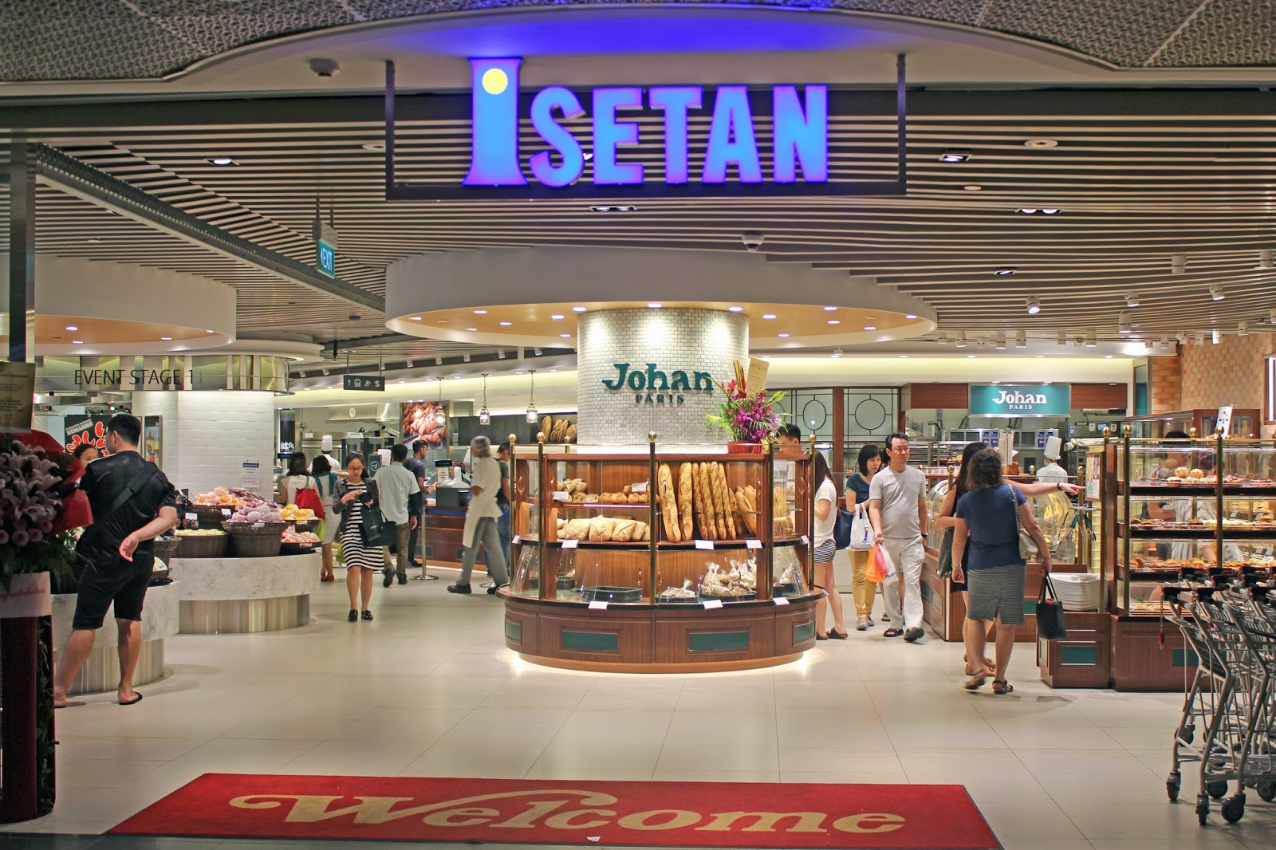

Input


ANNUAL
REPORT
COMPARISON

Isetan Home
BACK

INCOME
STATEMENT
BALANCE
SHEET
CASH
FLOWS

Comparison Home
BACK

INCOME
STATEMENT
BALANCE
SHEET
CASH
FLOWS
PROFITABILITY
LIQUIDITY

CDashboard CF Danny
BACK
CASH FLOWS

Isetan Vs Metro in Profit before tax ($'000)
 | Isetan | Metro
2013 | 7340 | 82049
2014 | -3023 | 124820
2015 | -26647 | 145538
2016 | 2931 | 122332

 | The Maximum value in the comparison is $145538 in ($'000) for Profit before tax

 | The Minimum value in the comparison is $-26647 in ($'000) for Profit before tax

 | The Average value in the comparison is $66764 in ($'000) for Profit before tax

 | Commentaries
 | In 2013, the Profit before tax of Isetan at $7340, is less than that of Metro at $82049, by $74709. < in ($'000) >

 | In 2014, the Profit before tax of Isetan at $-3023, is less than that of Metro at $124820, by $127843. < in ($'000) >

 | In 2015, the Profit before tax of Isetan at $-26647, is less than that of Metro at $145538, by $172185. < in ($'000) >

 | In 2016, the Profit before tax of Isetan at $2931, is less than that of Metro at $122332, by $119401. < in ($'000) >

Dashboard CF Danny
BACK
CASH FLOWS

Operating Cash Flows before working capital changes for Isetan
 | 2013 | 2014 | 2015 | 2016
 | 11989 | 3079 | -10652 | 192

 | The Maximum value in the comparison is $145538 in ($'000) for Operating Cash Flows before working capital changes

 | The Minimum value in the comparison is $-26647 in ($'000) for Operating Cash Flows before working capital changes

 | The Average value in the comparison is $66764 in ($'000) for Operating Cash Flows before working capital changes

 | Commentaries
 | In comparison with 2013, Isetan's 2014's Operating Cash Flows before working capital changes has decreased by 8910.

 | In comparison with 2014, Isetan's 2015's Operating Cash Flows before working capital changes has decreased by 13731.

 | In comparison with 2015, Isetan's 2016's Operating Cash Flows before working capital changes has increased by 10844.

CDashboard IS Phone
BACK
INCOME STATEMENT

Revenue in 2016
Isetan | 294638
Metro | 154595
Net Profit in 2013
Isetan | 7340
Metro | 82049

Isetan made 140043 more in Revenue than Metro < '$000 > | Metro made 74709 more in NetProfit than Isetan <'000>

Dollar Change For Revenue
 | Isetan | Metro
2013-2014 | -10363 | 42771
2014-2015 | -23624 | 20718
2015-2016 | 29578 | -23206

Overview of Revenue 2013 to 2016
 | Isetan | Metro
2013 | 333048 | 187120
2014 | 340316 | 194266
2015 | 302178 | 145826
2016 | 294638 | 154595

 | <'$000>
 | Total Revenue($) for Isetan is 1270180 | Highest Revenue($) for Isetan is 340316 in 2014
 | Average Revenue($) for Isetan is 317545 | Lowest Revenue($) for Isetan is 294638 in 2016

 | Total Revenue($) for Metro is 681807 | Highest Revenue($) for Metro is 194266 in 2014
 | Average Revenue($) for Metro is 170451.75 | Lowest Revenue($) for Metro is 145826 in 2015

Dashboard IS Phone
BACK
INCOME STATEMENT

TotalCI_Loss
 | TotalCI_Loss
2013 | 6426
2014 | -2998
2015 | -25880
2016 | 2423

 | <'$000>

 | Highest ($)TotalCI_Loss is 6426 in the year 2016

 | Lowest ($)NetLoss is -25880 in the year 2015

 | Total ($)NetLoss is -20029

Total Expenses in 2014
COGS | 251085
Operating Exp | 101015

($'000)

 | Total ($)Expenses for Isetan in 2014 is 352100 <$000>

Dashboard BS Yk
BACK
BALANCE SHEET

Assets

Overview of Total Assets
2013 | 279012
2014 | 261588
2015 | 233844
2016 | 226749

 | Total Assets has decreased over the past 4 years from $279 million in 2013 to $227 million in 2016.

 | In 2013, Isetan's Total Assets amounted to $279 million which is the highest among all 4 years.

Dollar change in Total Assets
2013 to 2014 | -17424
2014 to 2015 | -27744
2015 to 2016 | -7095
 | In 2016, Isetan's Total Assets amounted to $227 million which is the lowest among all 4 years.

Current Assets : Non-Current Assets
Current Assets | 90932
Non-Current Assets | 135817

 | In 2016,
 | Isetan has $91 million worth of Current Assets which is 40% of Total Assets and $136 million worth of Non-Current Assets which is 60% of Total Assets

Liabilities

 | Overview of Non-Current Liabilities
2013 | 3625
2014 | 4318
2015 | 5597
2016 | 7183

 | Non-Current Liabilities has increased over the past 4 years from $4 million in 2013 to $7 million in 2016.
 | Dollar change in Non-Current Liabilities
2013 to 2014 | 693
2014 to 2015 | 1279
2015 to 2016 | 1586

 | In 2016, Isetan's Non-Current Liabilities amounted to $7 million which is the highest among all 4 years.

 | In 2013, Isetan's Non-Current Liabilities amounted to $4 million which is the lowest among all 4 years.

Current Liabilities: Non-Current Liabilities
Current Liabilities | 56227
Non-Current Liabilities | 5597

 | In 2015,
 | Isetan has $56 million worth of Current Liabilities which is 91% of Total Liabilities and $6 million worth of Non-Current Liabilities which is 9% of Total Liabilities

CDashboard BS Yk
BACK
BALANCE SHEET

Assets

Non-Current Assets Comparison
 | Isetan | Metro
2013 | 145,270 | 792,798
2014 | 130,672 | 1,001,774
2015 | 146,010 | 1,085,374
2016 | 135,817 | 975,226

 | From 2013 to 2016, Isetan's Non-Current Assets decreased by $9 million (6.51%) from $145 million to $136 million while Metro's Non-Current Assets increased by $182 million (23.01%) from $793 million to $975 million.

Dollar change in Non-Current Assets
 | Isetan | Metro
2013 to 2014 | -14598 | 208976
2014 to 2015 | 15338 | 83600
2015 to 2016 | -10193 | -110148

 | Changes in Non-Current Assets for each year are as follows:
 | From 2013 to 2014, Isetan's Non-Current Assets decreased by $15 million which is a 10.05% decrease while Metro's Non-Current Assets increased by $209 million which is a 26.36% increase.

 | From 2014 to 2015, Isetan's Non-Current Assets increased by $15 million which is a 11.74% increase while Metro's Non-Current Assets increased by $84 million which is a 8.35% increase.

 | From 2015 to 2016, Isetan's Non-Current Assets decreased by $10 million which is a 6.98% decrease while Metro's Non-Current Assets decreased by $110 million which is a 10.15% decrease.

Liabilities

Total Liabilities Comparison
 | Isetan | Metro
2013 | 71,926 | 319,665
2014 | 60,594 | 398,445
2015 | 61,824 | 264,206
2016 | 54,369 | 154,035

 | From 2013 to 2016, Isetan's Total Liabilities decreased by $18 million (24.41%) from $72 million to $54 million while Metro's Total Liabilities decreased by $166 million (51.81%) from $320 million to $154 million.

Dollar change in Total Liabilities
 | Isetan | Metro
2013 to 2014 | -11332 | 78780
2014 to 2015 | 1230 | -134239
2015 to 2016 | -7455 | -110171

 | Changes in Total Liabilities for each year are as follows:
 | From 2013 to 2014, Isetan's Total Liabilities decreased by $11 million which is a 15.76% decrease while Metro's Total Liabilities increased by $79 million which is a 24.64% increase.

 | From 2014 to 2015, Isetan's Total Liabilities increased by $1 million which is a 2.03% increase while Metro's Total Liabilities decreased by $134 million which is a 33.69% decrease.

 | From 2015 to 2016, Isetan's Total Liabilities decreased by $7 million which is a 12.06% decrease while Metro's Total Liabilities decreased by $110 million which is a 41.7% decrease.

CDashboard LQ Suganya
BACK
LIQUIDITY

Inventory turnover
 | Metro | Isetan
2013 | 8.67 | 16.01
2014 | 9.17 | 17.18
2015 | 6.53 | 16.87
2016 | 6.19 | 17.73
The lowest Inventory turnover was 6.19 by Isetan

The highest Inventory turnover was 17.73 by Isetan

The average Inventory turnover was 12.30

Quick ratio
 | Metro | Isetan
2013 | 5.98 | 1.63
2014 | 4.70 | 1.77
2015 | 2.65 | 1.32
2016 | 2.86 | 1.42
The highest Quick ratio of 5.98 was by Metro

The lowest Quick ratio of 1.32 was by Isetan

The average Quick ratio is 2.79 across 2013 to 2016

Dashboard Profitability Prisca
BACK
Profitability

Net Profit Margin
 | Isetan Singapore Limited | Metro Holdings Ltd
Year : 2013 | 2.20% | 43.85%

 | The financial ratio of Net Profit Margin 2013 for Isetan Singapore Limited is 2.20%,
 | which is lesser than Metro Holdings Ltd of 43.85% by 41.64%.

Causes

Return on Equity
 | Metro Holdings Ltd | Isetan Singapore Limited
Year : 2013 | 7.21% | 3.10%

 | The financial ratio of 2013 for Isetan Singapore Limited is 3.10%,
 | which is less than Metro Holdings Ltd of 3.10% by 4.11%.

Causes

Return on Assets
 | Metro Holdings Ltd | Isetan Singapore Limited
Year : 2013 | 5.21% | 2.30%

 | The financial ratio of 2013 for Isetan Singapore Limited is 2.30%,
 | which is less than Metro Holdings Ltd of 5.21% by 2.91%.

Causes


Back to Top

Dashboard Explanation Prisca
BACK
Net Profit Margin

Revenue
 | Isetan Singapore Limited : Revenue | Metro Holdings Ltd : Revenue
 | $333,048 | $187,120
 | $340,316 | $194,266
 | $302,178 | $145,826
 | $294,638 | $154,595

 | Causes:
 | Isetan Singapore Limited generated total of $1270180 Revenue which is
 | more than Metro Holdings Ltd of $681807.

 | By taking into accounts of both Revenue and Net Profit before Tax of Isetan Singapore Limited,
 | the amount of profits extracted from its total sales is lower as it generates lesser profits or Net Loss
 | compared to Metro Holdings Ltd.

Return on Equity

Income
 | Isetan Singapore Limited : Income | Metro Holdings Ltd : Income
2013 | $6,426 | $80,593
2014 | $(2,998) | $70,302
2015 | $(25,880) | $241,288
2016 | $2,423 | $51,857
 | Causes:
 | Isetan Singapore Limited generated total of $-20029 Income , which is
 | less than Metro Holdings Ltd of $444040.

 | By taking into consideration of both Income and Total Equity of Isetan Singapore Limited,
 | the amount of profit that the company generated from shareholder's investments is lower
 | as it generated overall of lower profit or Net Loss and lesser shareholder's investments compared
 | to Metro Holdings Ltd.

Return on Assets

Income
 | Isetan Singapore Limited : Income | Metro Holdings Ltd : Income
2013 | $6,426 | $80,593
2014 | $(2,998) | $70,302
2015 | $(25,880) | $241,288
2016 | $2,423 | $51,857
 | Causes:
 | Isetan Singapore Limited generated total of $-20029 Income, which is
 | less than Metro Holdings Ltd of $444040.

 | By taking into account of both Income and Total Assets of Isetan Singapore Limited,
 | the amount of profit that the company earned from its overall resources of assets is lower
 | as it generated lower profits and Net Loss, as well as lower assets compared to Metro Holdings Ltd.


Back to Top

